Solution
Two-Tail Hypothesis Test of a Mean
Step 1: Calculate $\overline{x}$ and the $s$ (the mean and standard deviation of the sample)
Step 2: Estimate the variation of Vitamin C for all possible samples of n = 50 - the standard error = $s/{\sqrt{n}}$
Step 3: Set your Hypothesis
$H_{0}: μ=200mg (the Vitamin C content of our entire batch is 200mg)$
$$H_{a}: μ≠200mg (based on the evidence in our sample)$$
Step 4: Calculate your Critical t-value using the =T.INV.2T(α,df) - this is the same as looking up the critical t-value on a t-distribution table
Step 5: Determine your Decision Rule (95%) and Rejection Region (α / 2)
Step 6: Calculate the test-statistic - $t_{stat}$ = $\frac{\overline{x} − μ}{SE}$
(in this example it is -1.61, but I use the absolute value for ease of illustration)
Step 7: Manually change your Sample Mean $\overline{x}$ = 195 and check whether your test statistic remains outside of your rejection region.
The graph on the right is sourced at 'towardsdatascience.com' - a great resource for aspiring data scientists!
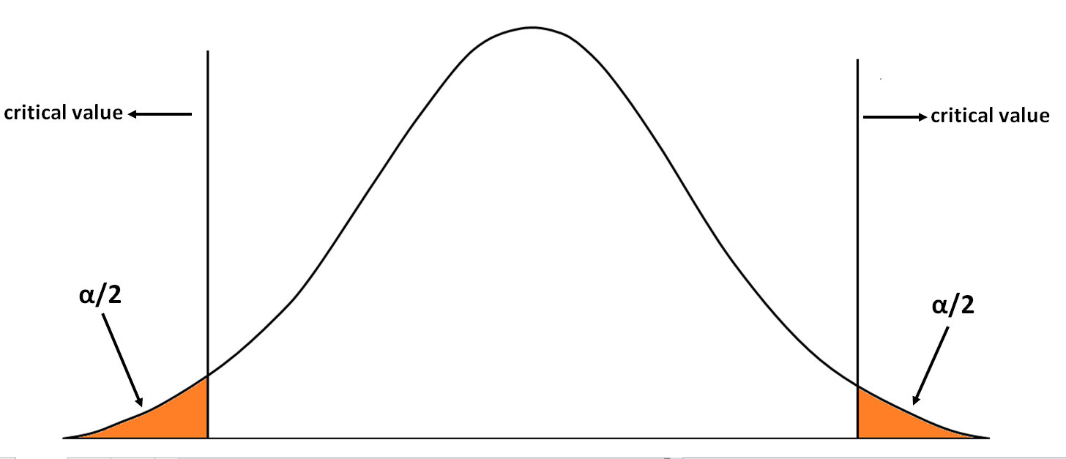
n | Vitamin C | Sample Descriptives
1 | 203.04 | Mean (𝒙 ̅) | 196.30
2 | 197.15 | Std Dev of the Sample (s) | 16.26
3 | 182.70 | n | 50
4 | 206.62 | Standard Error (SE) | 2.30
5 | 213.46 | degrees of freedom (df) | 49
6 | 178.89
7 | 217.15 | Rejection Zone α = 0.05
8 | 207.55 | α | 0.05
9 | 213.60 | ϻ | 200
10 | 199.95 | critical t-value | 2.010
11 | 208.13 | t-test statistic | 1.610
12 | 198.05 | Decision | Can't Reject
13 | 192.66
14 | 166.75
15 | 189.92
16 | 223.30
17 | 194.07
18 | 193.39
19 | 206.57
20 | 215.27
21 | 194.84
22 | 198.65
23 | 185.96
24 | 219.26
25 | 158.59
26 | 238.47
27 | 182.70
28 | 177.57
29 | 184.93
30 | 206.79
31 | 192.65
32 | 199.60
33 | 178.17
34 | 203.69
35 | 205.87
36 | 211.50
37 | 198.86
38 | 208.48
39 | 165.32
40 | 204.43
41 | 208.06
42 | 192.55
43 | 181.81
44 | 181.63
45 | 161.62
46 | 194.47
47 | 197.36
48 | 185.37
49 | 208.28
50 | 179.19

Worksheet
Two-Tail Hypothesis Test of a Mean
Step 1: Calculate $\overline{x}$ and the $s$ (the mean and standard deviation of the sample)
Step 2: Estimate the variation of Vitamin C for all possible samples of n = 50 - the standard error = $s/{\sqrt{n}}$
Step 3: Set your Hypothesis
$H_{0}: μ=200mg (the Vitamin C content of our entire batch is 200mg)$
$$H_{a}: μ≠200mg (based on the evidence in our sample)$$
Step 4: Calculate your Critical t-value using the =T.INV.2T(α,df) - this is the same as looking up the critical t-value on a t-distribution table
Step 5: Determine your Decision Rule (95%) and Rejection Region (α / 2)
Step 6: Calculate the test-statistic - $t_{stat}$ = $\frac{\overline{x} − μ}{SE}$
(in this example it is -1.61, but I use the absolute value for ease of illustration)
Step 7: Manually change your Sample Mean $\overline{x}$ = 195 and check whether your test statistic remains outside of your rejection region.
n | Vitamin C | Sample Descriptives
1 | 203.04 | Mean (𝒙 ̅) | 196.30
2 | 197.15 | Std Dev of the Sample (s) | 16.26
3 | 182.70 | n | 50
4 | 206.62 | Standard Error (SE) | 2.30
5 | 213.46 | degrees of freedom (df) | 49
6 | 178.89
7 | 217.15 | Zone of Rejection α = 0.05
8 | 207.55 | α
9 | 213.60 | ϻ
10 | 199.95 | critical t-value
11 | 208.13 | t-test statistic
12 | 198.05 | Decision
13 | 192.66
14 | 166.75
15 | 189.92
16 | 223.30
17 | 194.07
18 | 193.39
19 | 206.57
20 | 215.27
21 | 194.84
22 | 198.65
23 | 185.96
24 | 219.26
25 | 158.59
26 | 238.47
27 | 182.70
28 | 177.57
29 | 184.93
30 | 206.79
31 | 192.65
32 | 199.60
33 | 178.17
34 | 203.69
35 | 205.87
36 | 211.50
37 | 198.86
38 | 208.48
39 | 165.32
40 | 204.43
41 | 208.06
42 | 192.55
43 | 181.81
44 | 181.63
45 | 161.62
46 | 194.47
47 | 197.36
48 | 185.37
49 | 208.28
50 | 179.19

